Application Screen
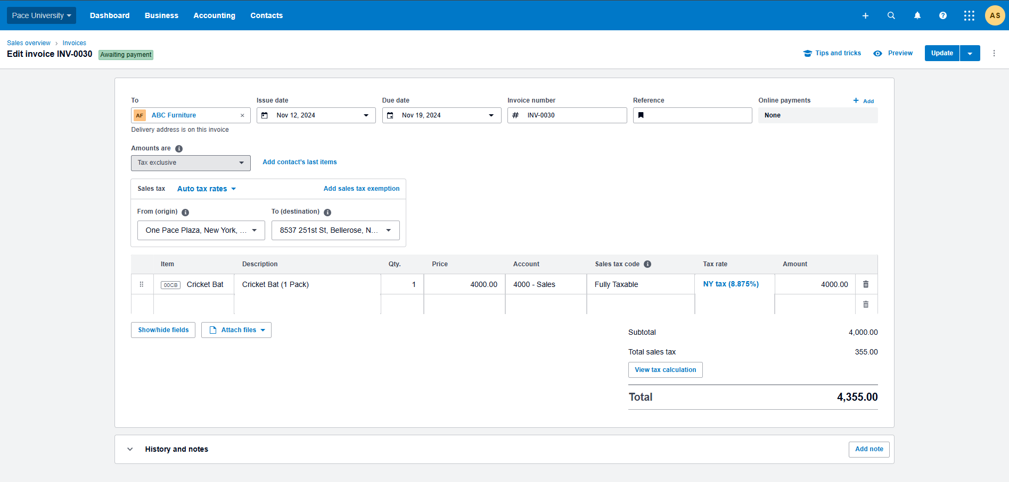

Test Case 16
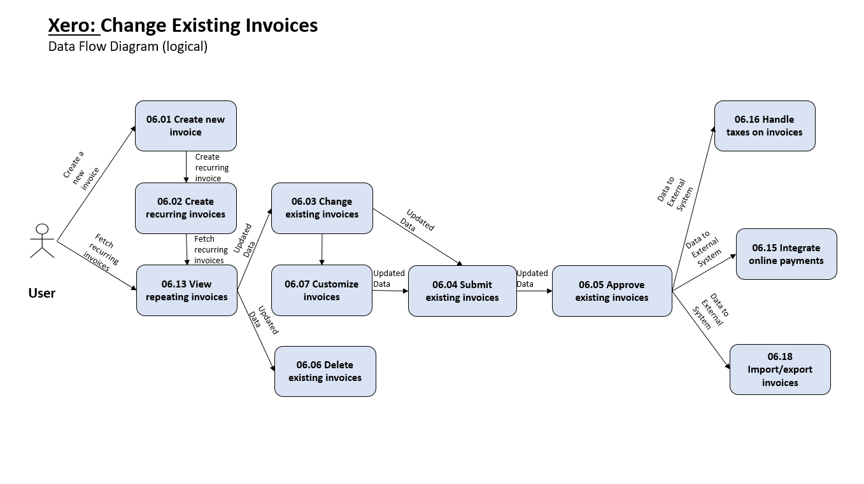
TC Title: | TC16 Change existing Invoices - DF-Out

TC Objective: | Ensure the system generates accurate dataflows when a user modifies an existing invoice.

TC Description
 | Step | Step Description | Expected Results
 | 1 | User submits a request to change an existing invoice with the specified invoice ID. | The system successfully identifies the invoice based on the provided ID.
 | 2 | The request includes the modified invoice data. | The system validates the new data against any defined business rules.
 | 3 | The system updates the existing invoice record in the database with the new data. | Dataflow-Out 1: Updated Invoice Data is sent to the Invoice Management System (IMS) containing the modified invoice information.

